Front & Preliminaries
 |  |  |  | SPECIFICATION | OCTOBER
 |  |  |  | S-620D | 2018

Data Sheets for
High-voltage switchgear and controlgear

 | Revision history
 | VERSION | DATE | AMENDMENTS
 | 1.0 | October 2018 | Issued for Publication

 | Acknowledgements

 | This IOGP Specification was prepared by a Joint Industry Project 33
 | Standardization of Equipment Specifications for Procurement organized
 | by IOGP with support by the World Economic Forum (WEF).

 | Disclaimer
 | Whilst every effort has been made to ensure the accuracy of the information
 | contained in this publication, neither IOGP nor any of its Members past present or
 | future warrants its accuracy or will, regardless of its or their negligence, assume
 | liability for any foreseeable or unforeseeable use made thereof, which liability is
 | hereby excluded. Consequently, such use is at the recipient’s own risk on the basis
 | that any use by the recipient constitutes agreement to the terms of this disclaimer.
 | The recipient is obliged to inform any subsequent recipient of such terms.
 | This publication is made available for information purposes and solely for the private
 | use of the user. IOGP will not directly or indirectly endorse, approve or accredit the
 | content of any course, event or otherwise where this publication will be reproduced.

 | Copyright notice
 | The contents of these pages are © International Association of Oil & Gas Producers.
 | Permission is given to reproduce this report in whole or in part provided (i)
 | that the copyright of IOGP and (ii) the sources are acknowledged. All other rights are
 | reserved. Any other use requires the prior written permission of IOGP.
 | These Terms and Conditions shall be governed by and construed in accordance
 | with the laws of England and Wales. Disputes arising here from shall be exclusively
 | subject to the jurisdiction of the courts of England and Wales.

S-620D Data Sheets for
High-voltage switchgear and controlgear

Foreword

This specification package was prepared under a Joint Industry Project 33 (JIP33) “Standardization of Equipment Specifications for Procurement” organized by the International Oil & Gas Producers Association (IOGP) with the support from the World Economic Forum (WEF). Ten key oil and gas companies from the IOGP membership participated in developing this specification under JIP33 Phase 2 with the objective to leverage and improve industry level standardization for projects globally in the oil and gas sector. The work has developed a minimized set of supplementary requirements for procurement, with life cycle cost in mind, based on the ten participating members’ company specifications, resulting in a common and jointly approved specification, and building on recognized industry and/or international standards.

The specification package has been developed in consultation with a broad user and supplier base to promote the opportunity to realize benefits from standardization and achieve significant cost reductions for upstream project costs. The JIP33 work groups performed their activities in accordance with IOGP’s Competition Law Guidelines (November 2014).

Recent trends in oil and gas projects have demonstrated substantial budget and schedule overruns. The Oil and Gas Community within the World Economic Forum (WEF) has implemented a Capital Project Complexity (CPC) initiative which seeks to drive a structural reduction in upstream project costs with a focus on industry-wide, non-competitive collaboration and standardization. The vision from the CPC industry is to standardize specifications for global procurement for equipment and packages, facilitating improved standardization of major projects across the globe. While individual oil and gas companies have been improving standardization within their own businesses, this has limited value potential and the industry lags behind other industries and has eroded value by creating bespoke components in projects.

The specification package aims to significantly reduce this waste, decrease project costs and improve schedule through pre-competitive collaboration on standardization.
Following agreement of the relevant JIP33 work group and approval by the JIP33 Steering Committee, the IOGP Management Committee has agreed to the publication of this specification package by IOGP. Where adopted by the individual operating companies, the specification package aims to supersede existing company documentation for the purpose of industry-harmonized standardization.

IOGP S-620D Version 1.0

S-620D Data Sheets for
High-voltage switchgear and controlgear

Introduction

The purpose of this equipment datasheet is to define buyer specific requirements for the supply of high-voltage switchgear and controlgear in accordance with IEC 62271-200 for application in the petroleum and natural gas industries. The datasheet provides project specific requirements where the supplementary specification and its parent standard require the user to define an application specific requirement. It follows the clause structure of the parent standard (IEC 62271-200:2011) and the supplementary requirements specification (IOGP S-620). It also includes information required by the user for technical evaluation purposes. Additional user supplied documents are also listed in the data sheets, to define scope and technical requirements for enquiry and purchase of the equipment.

This datasheet shall be used in conjunction with the supplementary requirements specification, information requirements specification (IOGP S-620L) and quality requirements specification (IOGP S-620Q) which together comprise the full set of specification documents. The Introduction section in the supplementary requirements specification provides further information on the purpose of each of these documents and the order of precedence for their use.

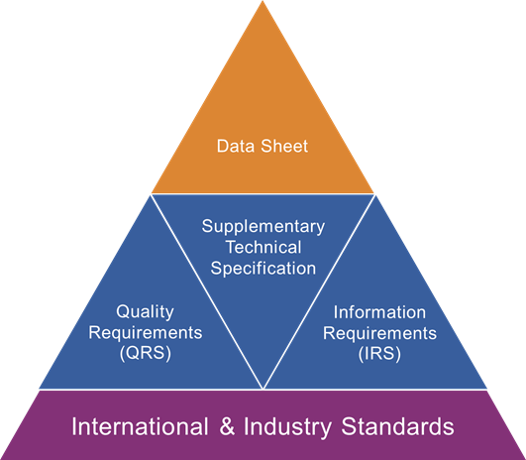

JIP33 Specification for Procurement Documents Data Sheets

IOGP S-620D Version 1.0

